Dashboard - Sample
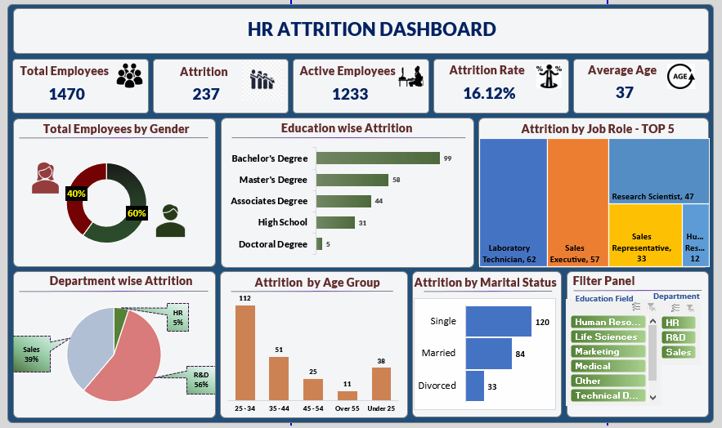

HR Dashboard
`

HR ATTRITION DASHBOARD

Total Employees
Attrition
Active Employees
Attrition Rate
Average Age

1470
237
1233
16.12%
37

Attrition by Job Role - Top 5
Attrition by Age Group
Total Employees by Gender

 | Total
25 - 34 | 112
35 - 44 | 51
45 - 54 | 25
Over 55 | 11
Under 25 | 38
 | Total
Female | 40%
Male | 60%

Education wise Attrition
Department wise Attrition
Filter Panel
Attrition by Marital Status
 | Total
Bachelor's Degree | 99
Master's Degree | 58
Associates Degree | 44
High School | 31
Doctoral Degree | 5
 | Total
Single | 120
Married | 84
Divorced | 33
R&D | 56% | 1
Sales | 39%
HR | 5%

Charts visualization
Gender | Ratio
Female | 40%
Male | 60%

Education | Number of Attritions
Bachelor's Degree | 99
Master's Degree | 58
Associates Degree | 44
High School | 31
Doctoral Degree | 5

 |  |  |  | Job Role | Attrition
Job role | Count of Attritions |  |  | Laboratory Technician | 62
Laboratory Technician | 62 |  |  | Sales Executive | 57
Sales Executive | 57 |  |  | Research Scientist | 47
Research Scientist | 47 |  |  | Sales Representative | 33
Sales Representative | 33 |  |  | Human Resources | 12
Human Resources | 12

R&D | 56% | 1
Sales | 39%
HR | 5%
 |  | Department | Attrition
Department | Attritions Count | R&D | 56%
R&D | 56% | Sales | 39%
Sales | 39% | HR | 5%
HR | 5%

Age_band | Attritions
25 - 34 | 112
35 - 44 | 51
45 - 54 | 25
Over 55 | 11
Under 25 | 38

Marital Status | Attrition by marriage
Single | 120
Married | 84
Divorced | 33

Slicer-Education wise

Slicer-Department wise

All Icons used








